VR5500_PDTCALC
FILL YELLOW CELLS BASED ON VR5500 SETUP |  |  |  |  |  |  |  |  |  | FILL ORANGE CELLS BASED ON EXTERNAL DEVICES CHARACTERISTICS

 | Regulator |  | Vpre | Buck1 | Buck2 | Buck3 | LDO1 | LDO2 | Boost |  |  | Rth_ja | 30 °C/W
 | Max output current |  | 10.0 A | 2.5 A | 2.5 A | 2.5 A | 400.0 mA | 400.0 mA | 800.0 mA |  |  | Ta max | 125 °C
 |  |  |  |  |  |  |  |  |  |  |  | Tj max | 150 °C
 | SMPS calculations are valid in PWM mode and CCM mode

 | Vpre SMPS (adj from 3.3V to 5.5V) |  |  |  |  |  | Boost SMPS (5V or 5.74V) |  |  |  |  |  | LDO1 (adj from 1.1V to 5V) |  | LDO2 (adj from 1.1V to 5V) |  | VR5500 Summary

 | Ext. R, L, C |  | Ext. MOSFETs |  | Converter |  | Ext. C, L and D |  | Int. MOSFET |  | Converter |  |  |  |  |  |  | Pdis | h
 | Cin | 47 µF | GHS_drive | 5.0 V | Vsup | 14.00 V | Cin | 60 µF | GLS_drive | 5.0 V | Vpre | 4.10 V | LDO1_in | Vpre |  |  | Vpre | 0.024 W | 95.5%
 | ESR Cin | 100.0 mΩ | HS_Rdson | 19.5 mΩ |  |  | ESR Cin | 10.0 mΩ | LS_Rdson | 280.0 mΩ |  |  | LDO1 | 3.30 V | LDO2 | 3.30 V | Boost | 0.014 W | 84.0%
 | Cout | 60 µF | HS_QGtot | 8.0 nC | Vpre | 4.10 V | Cout | 20 µF | QLS | 1.0 nC | Boost | 5.74 V | I_LDO1 | 50.0 mA | I_LDO2 | 20.0 mA | Buck1 | 0.065 W | 89.4%
 | ESR Cout | 10.0 mΩ | HS_QGD | 3.0 nC |  |  | ESR Cout | 10.0 mΩ | LS_SlewRate | 500 mV/us | Iboost_in | 29.7 mA |  | ( ≤ 400 mA ) |  | ( ≤ 400 mA ) | Buck2 | 0.065 W | 89.4%
 | L coil | 6.8 µH | HS_QGS | 2.0 nC | Ipre | 0.85 A | L coil | 4.7 µH | TLS_sw | 8.20 ns |  |  |  |  |  |  | Buck3 | 0.083 W | 94.7%
 | DCR coil | 30.0 mΩ | HS_Igate | 900.0 mA | Ipre_add | 1.00 A | DCR coil | 30.0 mΩ |  |  | Iboost | 20.0 mA |  |  |  |  | LDO1 | 0.040 W | 80.5%
 | R shunt | 10.0 mΩ | THS_sw | 4.44 ns | Ipre_tot | 1.85 A | Vdiode | 0.35 V |  |  | Iboost_add | 0.0 mA |  |  |  |  | LDO2 | 0.049 W | 57.5%
 |  |  | GLS_drive | 5.0 V |  | ( ≤ 10 A ) |  |  |  |  | Iboost_tot | 20.0 mA |  |  |  |  | Int. IC | 0.065 W | -
 |  |  | LS_Rdson | 19.5 mΩ |  |  |  |  |  |  |  | ( ≤ 800 mA )
 |  |  | LS_QGtot | 8.0 nC | Freq | 455 kHz
 |  |  | LS_QGD | 3.0 nC |  |  |  |  |  |  | Freq | 2220 kHz
 |  |  | LS_QGS | 2.0 nC
 |  |  | LS_Igate | 900.0 mA
 |  |  | TLS_sw | 4.44 ns
 |  |  | I_BOS | 7.3 mA

 |  |  | duty cycle | 29.5% | Pout | 7.6 W |  |  | duty_cycle | 32.7% | Pout | 0.1 W

 | P_HS_cond | 0.020 W | P_Cin | 0.071 W | 2 |  | P_LS_cond | 0.000 W | P_Cin | 0.000 W |  |  | Pout | 0.17 W | Pout | 0.07 W | Pout_tot | 7.23 W | -
 | P_HS_sw | 0.052 W | P_Cout | 0.0007 W | 1.75 |  | P_LS_sw | 0.014 W | P_Cout | 0.000 W |  |  | Pdis_IC | 0.040 W | Pdis_IC | 0.049 W | Pdis_tot | 0.77 W | -
 | P_LS_cond | 0.047 W | P_L | 0.105 W | 1 |  | P_diode | 0.007 W | P_L | 0.000 W |  |  | h | 80.5% | h | 57.5% | Pdis_tot_IC | 0.405 W | -
 | P_LS_sw | 0.002 W | P_R | 0.034 W

 | Pdis_tot | 0.356 W | DIL | 0.94 A | CCM |  | Pdis_tot | 0.022 W | DIL | 0.13 A | DCM |  |  |  |  |  | Max_Ta | 137.84 °C | -
 | Pdis_IC | 0.024 W | Ipeak | 2.32 A |  |  | Pdis_IC | 0.014 W | Ipeak | 0.09 A |  |  |  |  |  |  | h tot_IC | 90.4% | -
 | h Vpre | 95.5% | Vout_ripple | 13.73 mV |  |  | h Boost | 84.0% | Vout_ripple | 0.15 mV

 | Buck1 SMPS (adj from 0.8V to 1.8V) |  |  |  |  |  | Buck2 SMPS (adj from 0.8V to 1.8V) |  |  |  |  |  | Buck3 SMPS (adj from 1.2V to 3.3V)

 | Ext. C and L |  | Int. MOSFETs |  | Converter |  | Ext. C and L |  | Int. MOSFETs |  | Converter |  | Ext. C and L |  | Int. MOSFETs |  | Converter
 | Cin | 60 µF | HS_Rdson | 135.0 mΩ | Vpre | 4.10 V | Cin | 60 µF | HS_Rdson | 135.0 mΩ | Vpre | 4.10 V | Cin | 60 µF | HS_Rdson | 135.0 mΩ | Vpre | 4.10 V
 | ESR Cin | 10.0 mΩ | QHS | 0.5 nC |  |  | ESR Cin | 10.0 mΩ | QHS | 0.5 nC |  |  | ESR Cin | 10.0 mΩ | QHS | 0.5 nC
 | Cout | 40 µF | THS_sw | 5.00 ns | Buck1 | 1.25 V | Cout | 40 µF | THS_sw | 5.00 ns | Buck2 | 1.25 V | Cout | 40 µF | THS_sw | 5.00 ns | Buck3 | 3.30 V
 | ESR Cout | 10.0 mΩ | GHS_drive | 5.0 V |  |  | ESR Cout | 10.0 mΩ | GHS_drive | 5.0 V |  |  | ESR Cout | 10.0 mΩ | GHS_drive | 5.0 V
 | L coil | 1.0 µH | LS_Rdson | 80.0 mΩ | Ibuck1 | 0.50 A | L coil | 1.0 µH | LS_Rdson | 80.0 mΩ | Ibuck2 | 0.50 A | L coil | 1.0 µH | LS_Rdson | 80.0 mΩ | Ibuck3 | 0.50 A
 | DCR coil | 30.0 mΩ | QLS | 0.5 nC |  | ( ≤ 2.5 A ) | DCR coil | 30.0 mΩ | QLS | 0.5 nC |  | ( ≤ 2.5 A ) | DCR coil | 30.0 mΩ | QLS | 0.5 nC | Ibuck3_tot | 0.50 A
 |  |  | TLS_sw | 5.00 ns |  |  |  |  | TLS_sw | 5.00 ns |  |  |  |  | TLS_sw | 5.00 ns |  | ( ≤ 2.5 A )
 |  |  | GLS_drive | 5.0 V | Freq | 2220 kHz |  |  | GLS_drive | 5.0 V | Freq | 2220 kHz |  |  | GLS_drive | 5.0 V | Freq | 2220 kHz

 |  |  | duty_cycle | 31.7% | Pout | 0.6 W |  |  | duty_cycle | 31.7% | Pout | 0.6 W |  |  | duty_cycle | 82.0% | Pout | 1.7 W

 | P_HS_cond | 0.011 W | P_Cin | 0.001 W |  |  | P_HS_cond | 0.011 W | P_Cin | 0.001 W |  |  | P_HS_cond | 0.028 W | P_Cin | 0.000 W
 | P_HS_sw | 0.028 W | P_Cout | 0.0001 W |  |  | P_HS_sw | 0.028 W | P_Cout | 0.0001 W |  |  | P_HS_sw | 0.028 W | P_Cout | 0.0001 W
 | P_LS_cond | 0.014 W | P_L | 0.008 W |  |  | P_LS_cond | 0.014 W | P_L | 0.008 W |  |  | P_LS_cond | 0.004 W | P_L | 0.008 W
 | P_LS_sw | 0.012 W |  |  |  |  | P_LS_sw | 0.012 W |  |  |  |  | P_LS_sw | 0.024 W

 | Pdis_tot | 0.074 W | DIL | 0.40 A | CCM |  | Pdis_tot | 0.074 W | DIL | 0.40 A | CCM |  | Pdis_tot | 0.092 W | DIL | 0.27 A | CCM
 | Pdis_IC | 0.065 W | Ipeak | 0.70 A |  |  | Pdis_IC | 0.065 W | Ipeak | 0.70 A |  |  | Pdis_IC | 0.083 W | Ipeak | 0.64 A
 | h Buck1 | 89.4% | Vout_ripple | 4.53 mV |  |  | h Buck2 | 89.4% | Vout_ripple | 4.53 mV |  |  | h Buck3 | 94.7% | Vout_ripple | 3.09 mV

 | Vpre Power Distribution
P_HS_cond | 0.020 W
P_HS_sw | 0.052 W
P_LS_cond | 0.047 W
P_LS_sw | 0.002 W
P_L | 0.105 W
Boost Power Distribution
 | Boost Power Distribution
P_LS_cond | 0.000 W
P_LS_sw | 0.014 W
P_diode | 0.007 W
P_L | 0.000 W
Buck1 Power Distribution
 | Buck1 Power Distribution
P_HS_cond | 0.011 W
P_HS_sw | 0.028 W
P_LS_cond | 0.014 W
P_LS_sw | 0.012 W
P_L | 0.008 W
Buck2 Power Distribution
 | Buck2 Power Distribution
P_HS_cond | 0.011 W
P_HS_sw | 0.028 W
P_LS_cond | 0.014 W
P_LS_sw | 0.012 W
P_L | 0.008 W
P_HS_cond
P_HS_sw
P_LS_cond
P_LS_sw
P_L
Buck3 Power Distribution
 | Buck3 Power Distribution
P_HS_cond | 0.028 W
P_HS_sw | 0.028 W
P_LS_cond | 0.004 W
P_LS_sw | 0.024 W
P_L | 0.008 W
FS85 Power Distribution

VR5500_VPRE_VBOOST_Components
Inputs |  |  | Inputs |  |  | Inputs
Outputs |  |  | Outputs |  |  | Outputs
Normalized values |  |  | Normalized values |  |  | Normalized values |  |  | Current mode regulation loop principle

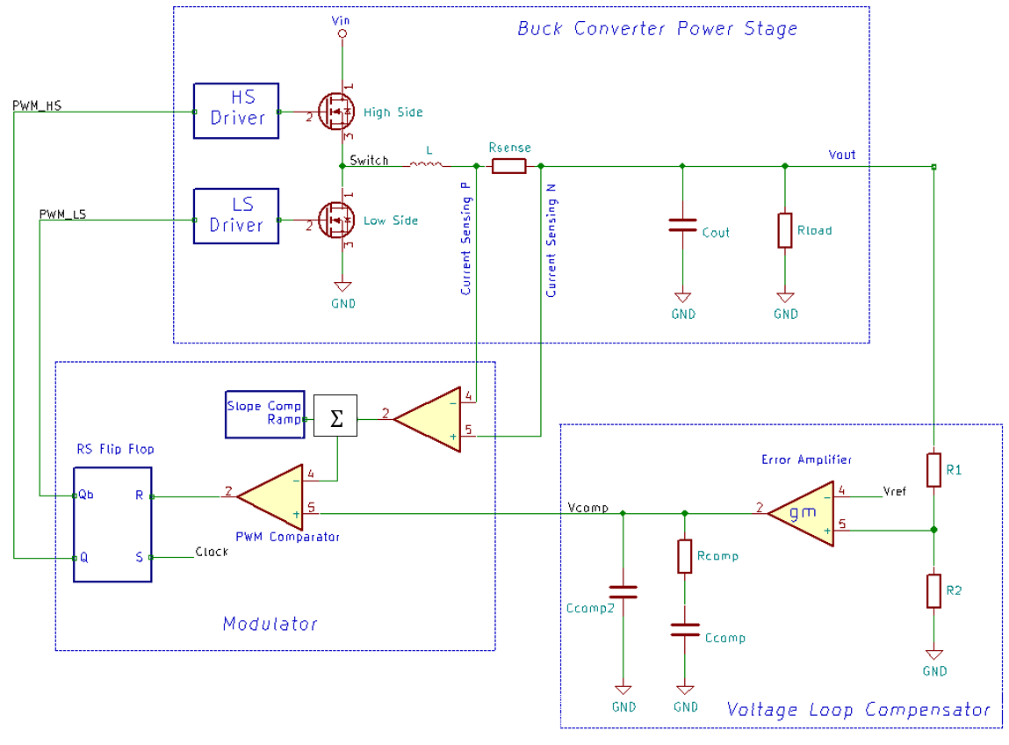
Chf
Rcomp
Ccomp
PI Filter |  |  | PI Filter
Fpi = Fsw / 10 | 45500 | Hz | Fpi = Fsw / 10 | 222000 | Hz
Lpi | 1 | uH | Lpi | 1 | uH
Cpi1_Vbat_Calculated | 12.24 | uF | Cpi1_Vbat_Calculated | 0.51 | uF
Cpi1_Vbat_Selected | 10.00 | uF | Cpi1_Vbat_Selected | 2.20 | uF
Cpi2_Vsup_Calculated | 18.21 | uF | Cpi2_Vsup_Calculated | 3.73 | uF
Cpi2_Vsup_Selected | 20.00 | uF | Cpi2_Vsup_Selected | 4.70 | uF

VPRE - 455KHz |  |  | VPRE - 2.22MHz |  |  | BOOST - 2.22MHz
Vin (VSUP) | 14 | V | Vin (VSUP) | 14 | V | Vin (VPRE) | 4.1 | V
Vout (3.3 or 4.1 or 5.0V) | 4.1 | V | Vout (3.3 or 4.1 or 5.0V) | 4.1 | V | Vout (5.0 or 5.74V) | 5 | V
Duty Cyle (Eff=1) | 0.29 |  | Duty Cyle (Eff=1) | 0.29 |  | Duty Cyle (Eff=1) | 0.18
Fsw (455KHz or 2.22MHz) | 455000 | Hz | Fsw (455KHz or 2.22MHz) | 2220000 | Hz | Fsw | 2220000 | Hz
I_PRE_average | 3 | A | I_PRE_average | 3 | A | I_BOOST | 0.1 | A
I_PRE_peak (in the inductor) | 3.47 | A | I_PRE_peak (in the inductor) | 3.30 | A | Ilim | 2 | A
Inductor Current Ripple desired | 30 | % | Inductor Current Ripple desired | 30 | % | Inductor Current Ripple desired | 40 | %
Output Voltage Ripple desired | 20 | mV | Output Voltage Ripple desired | 20 | mV | Output Voltage Ripple desired | 20 | mV
Max dV desired | 100 | mV | Max dV desired | 100 | mV | Max dV desired | 50 | mV
Max dI desired | 1.5 | A | Max dI desired | 1.5 | A | Max dI desired | 0.1 | A
L_PRE_calculated | 7.08 | uH | L_PRE_calculated | 1.45 | uH | L_BOOST | 6.81 | uH
L_PRE_selected from (4.7uH - 10uH @450KHz) | 6.80 | uH | L_PRE_selected from (1.5uH - 4.7uH @2.22MHz) | 2.20 | uH | L_BOOST_selected from (2.2uH - 6.8uH @2.22MHz) | 6.80 | uH
Inductor Current Ripple Calculated | 31.24 | % | Inductor Current Ripple Calculated | 19.79 | % | Inductor Current Ripple Calculated | 40.09 | %
Cout_PRE_min (for ripple) | 12.36 | uF | Cout_PRE_min (for ripple) | 2.53 | uF | C_BOOST_min (for ripple) | 0.41 | uF
Cout_PRE_min (for transient) Cout = dI / (2π x Fbw x dV) | 52.47 | uF | Cout_PRE_min (for transient) Cout = dI / (2π x Fbw x dV) | 16.13 | uF | Cout_BOOST_min (for transient) Cout = DI / (2π x Fbw x DV) | 26.53 | uF
Cout_PRE_selected | 66.00 | uF | Cout_PRE_selected | 22.00 | uF | Cout_BOOST_selected | 22.00 | uF
Max dV Calculated | 79 | mV | Max dV Calculated | 73 | mV | Max DV Calculated | 23 | mV
Cout_PRE_ESR | 20.00 | mΩ | Cout_PRE_ESR | 20.00 | mΩ | Voltage/Current Ratio (Kcs) Kcs = 0.466/ILIM | 0.233 | V/A
Output Voltage Ripple Calculated | 22.64 | mV | Output Voltage Ripple Calculated | 13.39 | mV | Bandwidth (Fbw ~12KHz) | 12000 | Hz
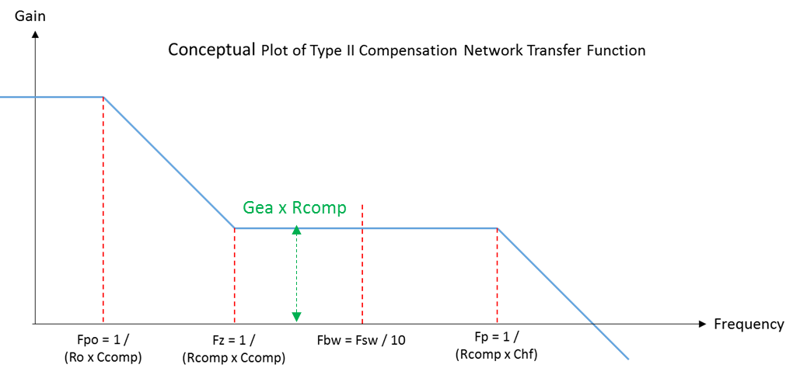
gmEA x Rcomp
Rsense (10 - 20) | 10 | mΩ | Rsense (10 - 20) | 10 | mΩ | Fz = 1/(2π x Rcomp x Ccomp) | 1698 | Hz
Bandwidth target (Fbw ~Fsw/10) | 45500 | Hz | Bandwidth target (Fbw ~Fsw/15) | 148000 | Hz | Fp = 1/(2π x Rcomp x Chf) | 106104 | Hz
Fz = Fbw/10 = 1/(2π x Rcomp x Ccomp) | 4550 | Hz | Fz = Fbw/10 = 1/(2π x Rcomp x Ccomp) | 14800 | Hz | EA transconductance (gmEA min) | 7.00 | uS
Fp = Fsw/2 = 1/(2π x Rcomp x Chf) | 227500 | Hz | Fp = Fsw/4 = 1/(2π x Rcomp x Chf) | 555000 | Hz | Fgbw = 1/(Kcs x 2π x Cout) | 31049 | Hz
EA transconductance (gmEA min) | 1.00 | mS | EA transconductance (gmEA min) | 1.00 | mS | EA gain = (Vref/Vout) x gmEA x Rcomp | 0.39
Fgbw = 1/(Rsense x Acs x 2π x Cout) | 48229 | Hz | Fgbw = 1/(Rsense x Acs x 2π x Cout) | 144688 | Hz | Rcomp_selected from OTP (500K, 750K) | 750.00 | KΩ
EA gain = (Vref/Vout) x gmEA x Rcomp | 0.94 |  | EA gain = (Vref/Vout) x gmEA x Rcomp | 1.02 |  | Ccomp_selected from OTP | 125.00 | pF
Rcomp_Calculated | 3.87 | KΩ | Rcomp_Calculated | 4.19 | KΩ | Chf_integrated (fixed) | 2.00 | pF
Rcomp_selected | 4.3 | KΩ | Rcomp_selected | 4.3 | KΩ | Discharge slope m=(Vout+Vd-Vin)/L | 221 | mA/us
Ccomp_calculated (min) | 8.13 | nF | Ccomp_calculated (min) | 2.50 | nF | Slope compensation to select SC > m x Kcs | 51.40 | mV/us
Ccomp_selected | 8.2 | nF | Ccomp_selected | 2.7 | nF
Chf_calculated | 162.70 | pF | Chf_calculated | 66.69 | pF
Chf_selected | 180 | pF | Chf_selected | 68 | pF
Discharge slope m=(Vout/L) | 603 | mA/us | Discharge slope m=(Vout/L) | 1864 | mA/us
Slope compensation to select SC > m x Rsense x Acs | 30.15 | mV/us | Slope compensation to select SC > m x Rsense x Acs | 93.18 | mV/us
Current Limit to select must be > | 34.69 | mV | Current Limit to select must be > | 32.97 | mV

